Question 1
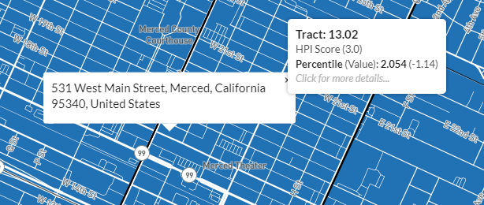
Applicant Name: | Dummy Applicant #1
Date reviewed: | 2023-02-14
Reviewed by: | Jonathan Towell

Directions:
Enter the applicant's address, HPI tract, and HPI score below
Provide a screenshot verifying that the HPI tract & score are correct
Ensure the screenshot fits within the bounds of the black border

Applicant's Address: | 531 W Main St, Merced CA 95340
HPI Tract: | 13.02
HPI Score: | 2.1

